Dashboard
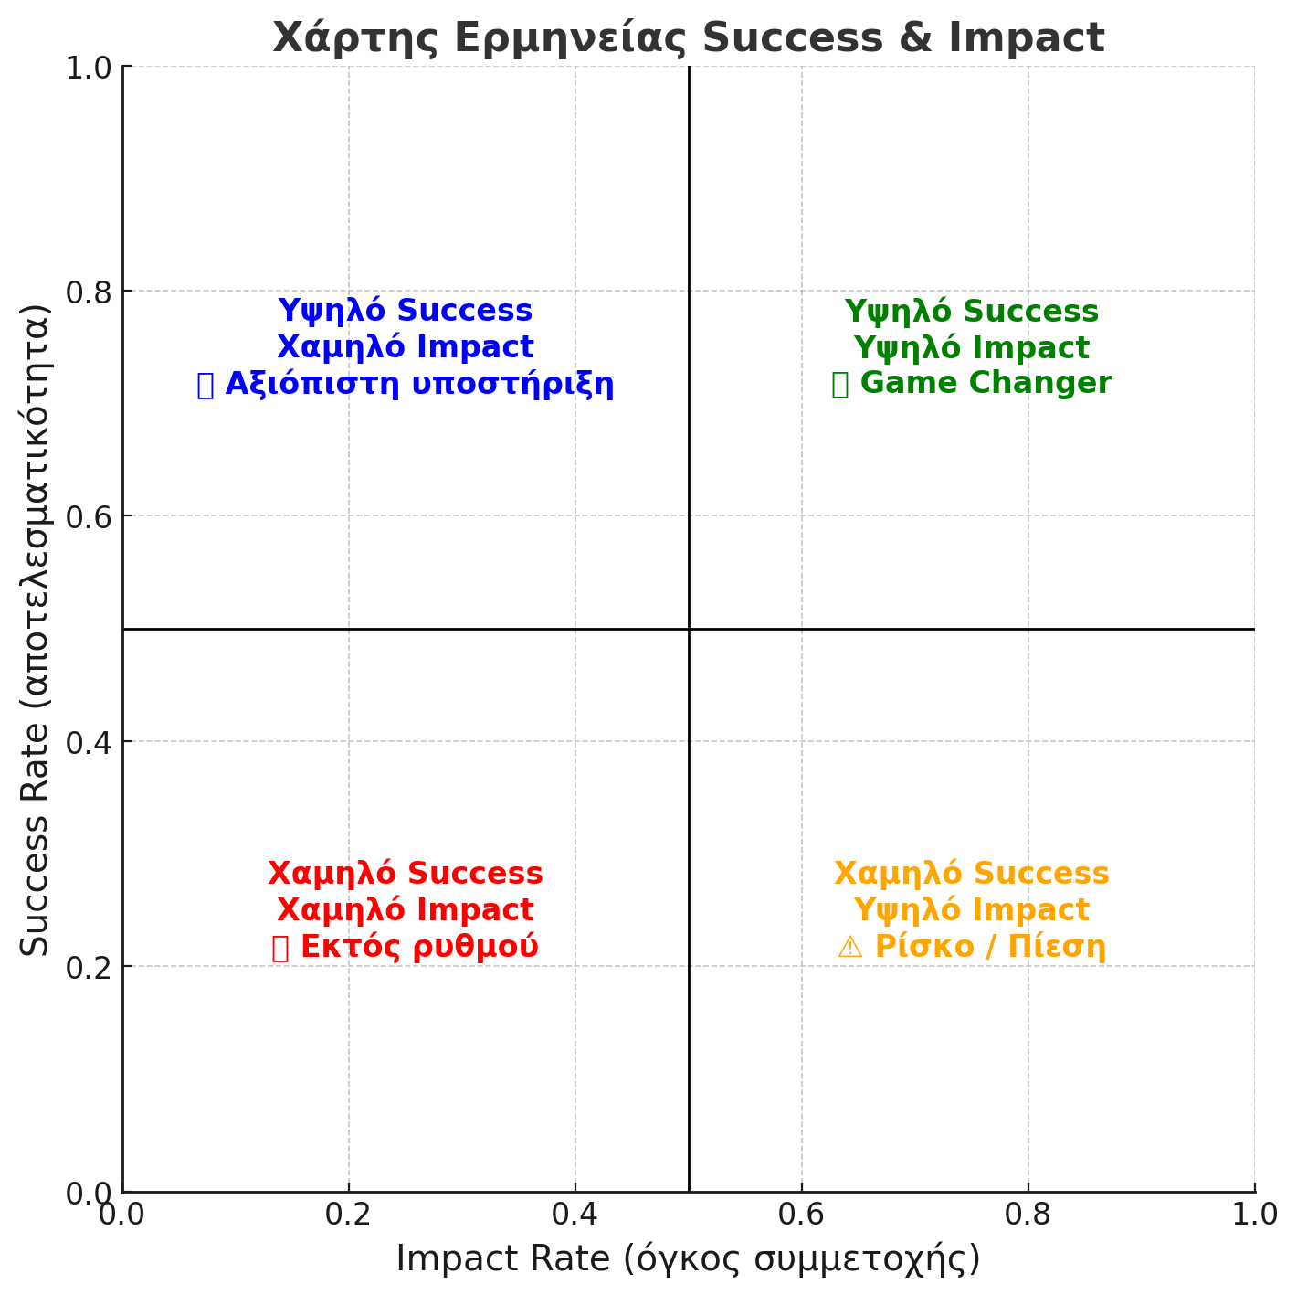
 |  | CONTRIBUTION |  |  |  |  | SUCCESS RATE |  |  |  |  | IMPACT RATE
PLAYER | ATT | BLOCK | SERVE | REC | DIG | ATT | BLOCK | SERVE | REC | DIG | ATT | BLOCK | SERVE | REC | DIG
#1 | 4 | 5 | 10 | 3 | 0 | 66.67% | 60.00% | 100.00% | 66.67% | 50.00% | 25.00% | 25.42% | 47.62% | 31.58% | 16.67%
#2 | 0 | 0 | 0 | 0 | 0 | #DIV/0! | #DIV/0! | #DIV/0! | #DIV/0! | #DIV/0! | #DIV/0! | #DIV/0! | #DIV/0! | #DIV/0! | #DIV/0!
#3 | 0 | 0 | 0 | 0 | 0 | #DIV/0! | #DIV/0! | #DIV/0! | #DIV/0! | #DIV/0! | #DIV/0! | #DIV/0! | #DIV/0! | #DIV/0! | #DIV/0!
#4 | 0 | 0 | 0 | 0 | 0 | #DIV/0! | #DIV/0! | #DIV/0! | #DIV/0! | #DIV/0! | #DIV/0! | #DIV/0! | #DIV/0! | #DIV/0! | #DIV/0!
#5 | 0 | 0 | 0 | 0 | 0 | #DIV/0! | #DIV/0! | #DIV/0! | #DIV/0! | #DIV/0! | #DIV/0! | #DIV/0! | #DIV/0! | #DIV/0! | #DIV/0!
#6 | 0 | 0 | 0 | 0 | 0 | #DIV/0! | #DIV/0! | #DIV/0! | #DIV/0! | #DIV/0! | #DIV/0! | #DIV/0! | #DIV/0! | #DIV/0! | #DIV/0!
#7 | 0 | 0 | 0 | 0 | 0 | #DIV/0! | #DIV/0! | #DIV/0! | #DIV/0! | #DIV/0! | #DIV/0! | #DIV/0! | #DIV/0! | #DIV/0! | #DIV/0!
#8 | 0 | 0 | 0 | 0 | 0 | #DIV/0! | #DIV/0! | #DIV/0! | #DIV/0! | #DIV/0! | #DIV/0! | #DIV/0! | #DIV/0! | #DIV/0! | #DIV/0!
#9 | 0 | 0 | 0 | 0 | 0 | #DIV/0! | #DIV/0! | #DIV/0! | #DIV/0! | #DIV/0! | #DIV/0! | #DIV/0! | #DIV/0! | #DIV/0! | #DIV/0!
#10 | 0 | 0 | 0 | 0 | 0 | #DIV/0! | #DIV/0! | #DIV/0! | #DIV/0! | #DIV/0! | #DIV/0! | #DIV/0! | #DIV/0! | #DIV/0! | #DIV/0!
#11 | 0 | 0 | 0 | 0 | 0 | #DIV/0! | #DIV/0! | #DIV/0! | #DIV/0! | #DIV/0! | #DIV/0! | #DIV/0! | #DIV/0! | #DIV/0! | #DIV/0!
#12 | 0 | 0 | 0 | 0 | 0 | #DIV/0! | #DIV/0! | #DIV/0! | #DIV/0! | #DIV/0! | #DIV/0! | #DIV/0! | #DIV/0! | #DIV/0! | #DIV/0!
#13 | 0 | 0 | 0 | 0 | 0 | #DIV/0! | #DIV/0! | #DIV/0! | #DIV/0! | #DIV/0! | #DIV/0! | #DIV/0! | #DIV/0! | #DIV/0! | #DIV/0!
#14 | 0 | 0 | 0 | 0 | 0 | #DIV/0! | #DIV/0! | #DIV/0! | #DIV/0! | #DIV/0! | #DIV/0! | #DIV/0! | #DIV/0! | #DIV/0! | #DIV/0!

Charts
Player 1 Success v Impact
 | Impact | Success
ATT | 25.00% | 66.67%
BLOCK | 25.42% | 60.00%
SERVE | 47.62% | 100.00%
REC | 31.58% | 66.67%
DIG | 16.67% | 50.00%
Player 1 Contribution
ATT | 4
BLOCK | 5
SERVE | 10
REC | 3
DIG | 0

